Pivot Table
Impact of Age on Employee Retention
 | No | Yes
38-47 | 22 | 1
28-37 | 18 | 6
48-57 | 6
18-27 | 3 | 5
58-67 | 2
Total Employees |  | Attrition | Attrition Count | Count of Attrition
63 | 63 | Yes | 19.05% | 12 | 12
 |  | No | 80.95% | 51 | 19.05%
 |  | Grand Total | 100.00% | 63

Row Labels | Count of EmployeeNumber
Non-Travel | 6
Travel_Frequently | 11
Travel_Rarely | 46
Grand Total | 63

 |  | Row Labels | Sum of MonthlyIncome |  | Row Labels | Sum of MonthlyIncome |  |  |  |  | EducationField | (All)
 |  | Female | 145280 |  | Female | ₦ 145,280
 |  | Male | 273954 |  | Male | ₦ 273,954 |  |  |  |  | Count of EmployeeNumber | Attrition
 |  | Grand Total | 419234 |  | Grand Total | ₦ 419,234 |  |  |  |  | Age | No | Yes
 |  |  |  |  |  |  |  |  |  |  | 38-47 | 22 | 1
 |  |  |  |  |  |  |  |  |  |  | 28-37 | 18 | 6
 |  |  |  |  |  |  |  |  |  |  | 48-57 | 6
 |  |  |  |  |  |  |  |  |  |  | 18-27 | 3 | 5
 |  |  |  |  |  |  |  |  |  |  | 58-67 | 2
 |  | Count of Attrition | Column Labels |  |  |  | Gender | Hourly Rate | Variance
 |  | Row Labels | No | Yes | Grand Total |  | Female | ₦ 1,087.00
 |  | Female | 14 | 6 | 20 |  | Male | ₦ 2,964.00 | ₦ 1,877.00
 |  | Male | 37 | 6 | 43 |  | Grand Total | ₦ 4,051.00
 |  | Grand Total | 51 | 12 | 63 |  |  |  |  |  |  |  |  |  |  |  |  | Gender
 |  |  |  |  |  |  |  |  |  |  |  |  |  |  |  |  |  | 18-27
 |  |  |  |  |  |  |  |  |  |  |  |  |  |  |  |  |  | 28-37
 |  |  |  |  |  |  |  |  |  |  |  |  |  |  |  |  |  | 38-47
 |  |  |  |  |  |  |  |  |  |  |  |  |  |  |  |  |  | 48-57
 |  | JobRole | EducationField | Sum of MonthlyIncome | Sum of MonthlyIncome2 | Average of MonthlyIncome3 |  |  |  |  |  | Column Labels |  |  |  |  |  | 58-67
 |  | Human Resources | Human Resources | 84574 | 20.17% | 4027.3333333 |  |  |  |  |  | Count of Attrition |  | Sum of RelationshipSatisfaction |  | Total Count of Attrition | Total Sum of RelationshipSatisfaction | Grand Total
 |  |  | Life Sciences | 57224 | 13.65% | 4401.8461538 |  |  |  |  |  | No | Yes | No | Yes
 |  |  | Medical | 51086 | 12.19% | 4644.1818182 |  |  |  |  |  | 51 | 12 | 145 | 37 | 63 | 182
 |  |  | Other | 15050 | 3.59% | 5016.6666667
 |  |  | Technical Degree | 12325 | 2.94% | 3081.25
 |  | Human Resources Total |  | 220259 | 52.54% | 4235.75
 |  | Manager | Human Resources | 110937 | 26.46% | 18489.5
 |  |  | Life Sciences | 53401 | 12.74% | 17800.333333
 |  |  | Medical | 34637 | 8.26% | 17318.5
 |  | Manager Total |  | 198975 | 47.46% | 18088.636364
 |  | Grand Total |  | 419234 | 100.00% | 6654.5079365

 |  |  |  |  |  |  |  |  |  |  |  | Count of Attrition | Column Labels
 |  |  |  |  |  |  |  |  |  |  |  | Gender | No | Yes | Grand Total
 |  |  |  |  |  |  |  |  |  |  |  | 1 | 7 | 1 | 8
 |  |  |  |  |  |  |  |  |  |  |  | 2 | 10 | 1 | 11
 |  |  |  |  |  |  |  |  |  |  |  | 3 | 18 | 6 | 24
 |  |  |  |  |  |  |  |  |  |  |  | 4 | 16 | 4 | 20
 |  |  |  |  |  |  |  |  |  |  |  | Grand Total | 51 | 12 | 63

 |  | EducationField | Sum of MonthlyIncome
 |  | Human Resources | 195511 |  |  |  |  |  | Count of Attrition | Column Labels
 |  | Life Sciences | 110625 |  |  |  |  |  | Gender | No | Yes | Grand Total
 |  | Medical | 85723 |  |  |  |  |  | No | 39 | 7 | 46
 |  | Other | 15050 |  |  |  |  |  | Yes | 12 | 5 | 17
 |  | Technical Degree | 12325 |  |  |  |  |  | Grand Total | 51 | 12 | 63
 |  | Grand Total | 419234

visualization
HR-EMPLOYEE-ATRRITION

New Visualization
Attrition Analysis

63
12
19.05%

Total Employees
Exited Employees
Attrition Rate
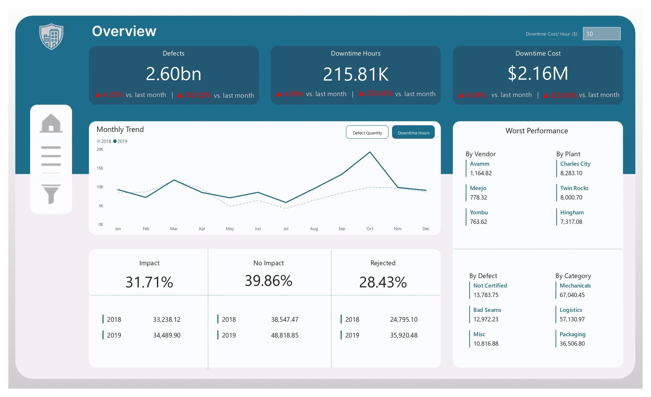
Impact of Age on Employee Retention
 | No | Yes
38-47 | 22 | 1
28-37 | 18 | 6
48-57 | 6
18-27 | 3 | 5
58-67 | 2

RELATIONSHIP BETWEEN INCOME & DEPARTMENT
 | Total
Human Resources | 195511
Life Sciences | 110625
Medical | 85723
Other | 15050
Technical Degree | 12325

No of Employer & Travel
 | Total
Non-Travel | 6
Travel_Frequently | 11
Travel_Rarely | 46

